Start here

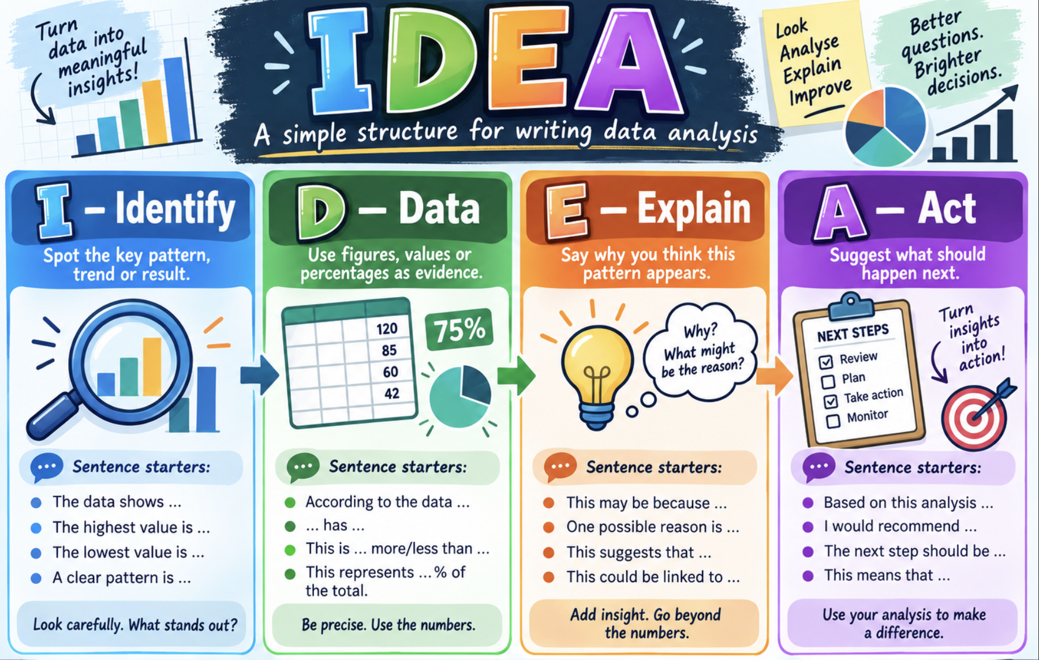

YOUR BRIEF
You are working as a junior data analyst for Level Up, a network of gaming and creative hubs. The management team is planning next year’s programme. Use participant data to explain who attends, which activities are popular, and what could help more people take part. Recommend actions supported by your calculations.

Name |  | Class

HOW TO WORK
Work through sheets 1, 2, 3, 4, 5A and 5B. Keep the Data sheet unchanged and use Sort practice for manual sorting. Pale gold cells are for your formulas or writing. Create the named ranges yourself when each task introduces them. Reuse names you have already made. Graph spaces are blank because you will create the graphs.

ABOUT THE DATA
There are 1,000 participants and 26 fields. Each row represents one participant, with attendance during January–December 2025. Annual visits is already calculated from the 12 monthly counts. A visit may include more than one activity: main activity is a participant’s stated preference.

Participant ID | A unique code for each person. Use it to keep records together.

Area | The participant’s home area. Six areas are represented.

Confidence (1–5) | Self-reported confidence using digital tools: 1 = very low; 5 = very high.

Annual visits | The total of that participant’s 12 monthly visit counts.

Age / date of birth | Age is supplied as at 31 December 2025. Dates use day/month/year.

Gender | A survey category. Prefer not to say is a valid response, not missing data.

Distance (km) | One-way distance from home to the participant’s usual hub.

Main activity | One preferred activity per participant. All visits are not necessarily to this activity.

Member | Yes = member throughout 2025; No = non-member.

Workshop attended | Yes = attended an introductory workshop before 2025; No = did not.

Satisfaction (1–5) | Self-reported satisfaction: 1 = very dissatisfied; 5 = very satisfied.

Main barrier | The main reported difficulty attending. None means no barrier reported.

Typical cost (£) | Usual out-of-pocket cost of one visit. This is not annual spending or profit.

Jan–Dec visits | Whole-number visits during each month of 2025. Zero means no visits.

NAMED RANGES: THE ROUTINE
1. Select the data cells only, without the heading or total. 2. Click the Name Box to the left of the formula bar. 3. Type the requested name and press Enter. Use underscores instead of spaces.

